RF
Before changes: RF Loading Screen | Updated:
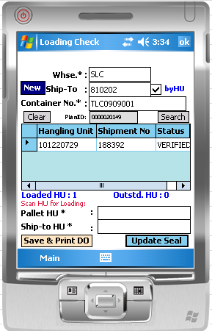
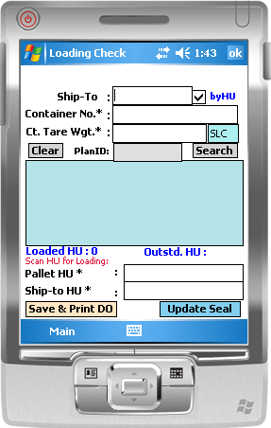

Added new field:
Ct. Tare Wgt (Container Tare weight)

Warehouse code setup as default by User id Login

RF Loading
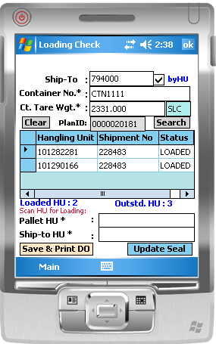
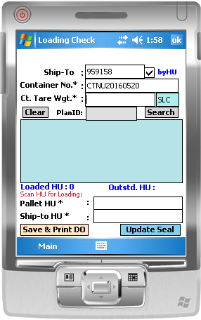

1. Scan HU

2. Enter Container #

3. Enter Container Tare Weight

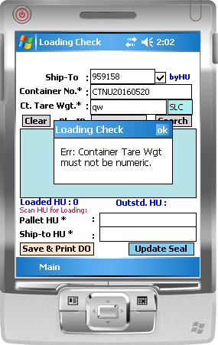
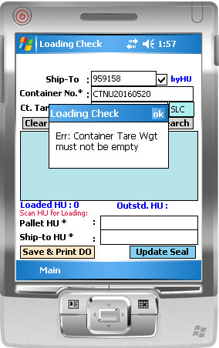

System prompt if Tare weight is not enter.
Tare weight must be numeric input

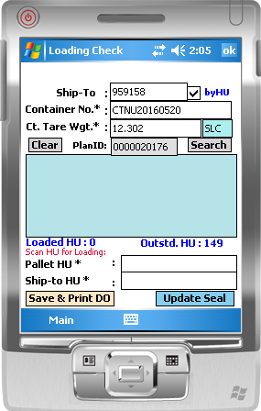

4. Continue scan HU for loading.

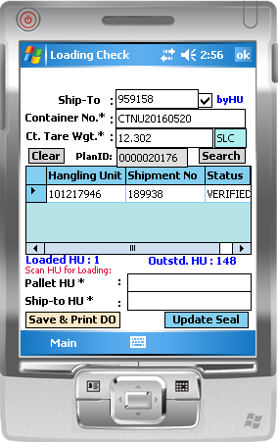

List of loaded HU

5. once completed load, click [Save & Print DO]

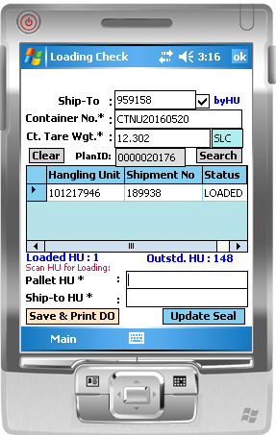

Status updated to Loaded

Import HU
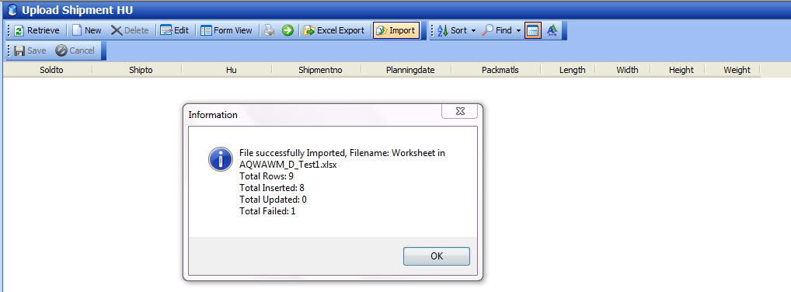
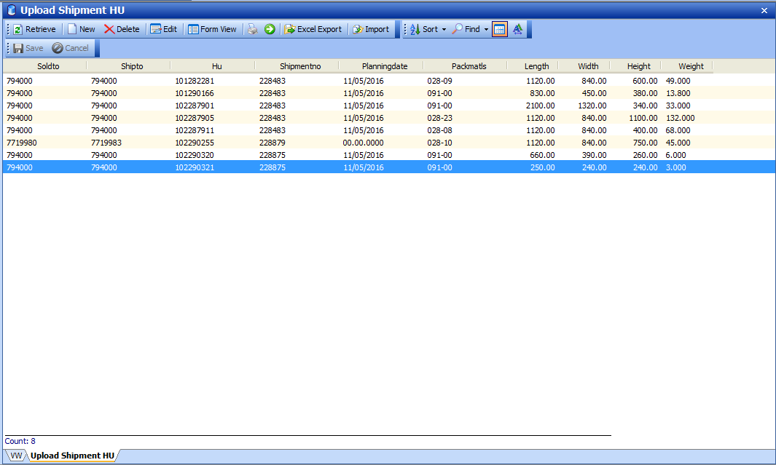
WMS-> | Import HU to add HU weight data from source file.

1 | Added validation - weight must not be empty. HU will not be imported if Weight is empty
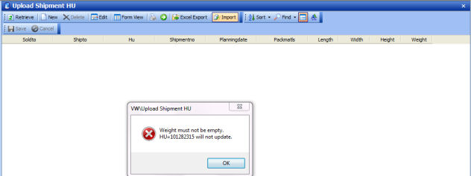

 | Imported result:

Gate-Pass
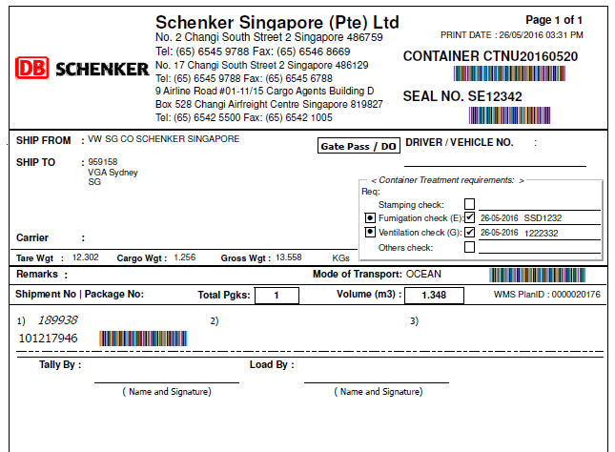

Report
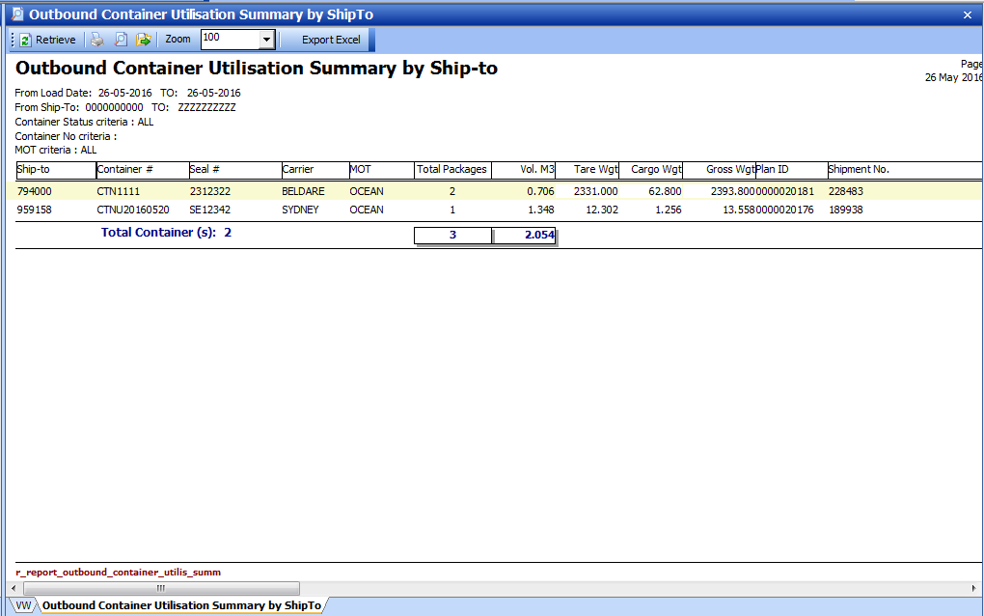
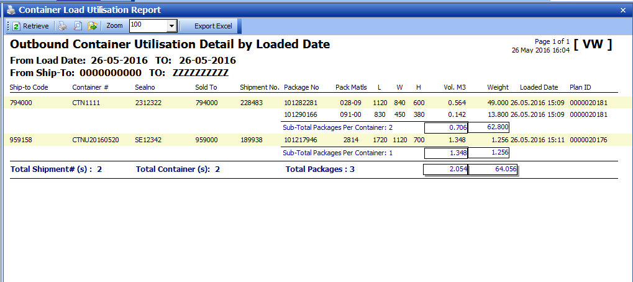
add Tare weight , Cargo weight and gross weight

